pca 80 ibuttons
> pca1$eig
eigenvalue percentage of variance cumulative percentage of variance
comp 1 3.92205075 65.3675126 65.36751
comp 2 1.03500437 17.2500728 82.61759
comp 3 0.75944384 12.6573974 95.27498
comp 4 0.20735001 3.4558335 98.73082
comp 5 0.06372901 1.0621501 99.79297
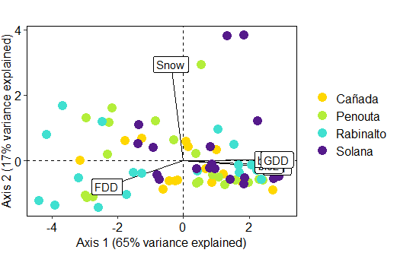
comp 6 0.01242201 0.2070336 100.00000
> pca1$var
$coord
Dim.1 Dim.2 Dim.3 Dim.4 Dim.5
bio1 0.9517805 -0.06487526 -0.2265918 0.17832439 0.002249746
bio2 0.8684605 -0.04602939 0.4392296 -0.15074931 0.167245278
bio7 0.8628695 0.01204979 0.4714526 -0.01947792 -0.180604844
Snw -0.1258200 0.97915261 0.1340937 0.08367894 0.019130153
FDD -0.7730649 -0.26395187 0.4902995 0.30171565 0.034653957
GDD 0.9507561 0.01101168 -0.1858362 0.23326204 0.039597901

$cor
Dim.1 Dim.2 Dim.3 Dim.4 Dim.5
bio1 0.9517805 -0.06487526 -0.2265918 0.17832439 0.002249746
bio2 0.8684605 -0.04602939 0.4392296 -0.15074931 0.167245278
bio7 0.8628695 0.01204979 0.4714526 -0.01947792 -0.180604844
Snw -0.1258200 0.97915261 0.1340937 0.08367894 0.019130153
FDD -0.7730649 -0.26395187 0.4902995 0.30171565 0.034653957
GDD 0.9507561 0.01101168 -0.1858362 0.23326204 0.039597901

$cos2
Dim.1 Dim.2 Dim.3 Dim.4 Dim.5
bio1 0.90588621 0.0042087996 0.05134385 0.0317995889 5.061355e-06
bio2 0.75422367 0.0021187050 0.19292260 0.0227253550 2.797098e-02
bio7 0.74454382 0.0001451974 0.22226755 0.0003793894 3.261811e-02
Snw 0.01583068 0.9587398239 0.01798112 0.0070021643 3.659627e-04
FDD 0.59762929 0.0696705871 0.24039361 0.0910323338 1.200897e-03
GDD 0.90393708 0.0001212572 0.03453511 0.0544111797 1.567994e-03

$contrib
Dim.1 Dim.2 Dim.3 Dim.4 Dim.5
bio1 23.0972588 0.40664558 6.760717 15.3361887 0.007941996
bio2 19.2303394 0.20470493 25.403143 10.9599005 43.890505034
bio7 18.9835334 0.01402868 29.267148 0.1829705 51.182516274
Snw 0.4036327 92.63147592 2.367670 3.3769780 0.574248310
FDD 15.2376737 6.73142927 31.653902 43.9027388 1.884380157
GDD 23.0475620 0.01171562 4.547421 26.2412234 2.460408229

pca 80 ibuttons_central
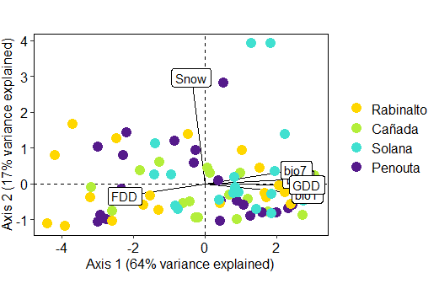
pca1$eig
eigenvalue percentage of variance cumulative percentage of variance
comp 1 3.86159791 64.3599652 64.35997
comp 2 1.01767009 16.9611682 81.32113
comp 3 0.81649370 13.6082283 94.92936
comp 4 0.22866170 3.8110283 98.74039
comp 5 0.06271180 1.0451966 99.78559
comp 6 0.01286481 0.2144135 100.00000
> pca1$var
$coord
Dim.1 Dim.2 Dim.3 Dim.4 Dim.5
bio1 0.9527349 -0.09588354 -0.1943428 0.19583417 0.00365731
bio2 0.8683152 0.04103382 0.4269156 -0.18890227 0.16235430
bio7 0.8500961 0.12739435 0.4779911 -0.02501923 -0.17872149
Snw -0.1288980 0.98850465 -0.0324403 0.06795327 0.02224256
FDD -0.7462546 -0.11525557 0.5811848 0.30016131 0.04339957
GDD 0.9506572 -0.01174965 -0.1707747 0.24348756 0.04494304

$cor
Dim.1 Dim.2 Dim.3 Dim.4 Dim.5
bio1 0.9527349 -0.09588354 -0.1943428 0.19583417 0.00365731
bio2 0.8683152 0.04103382 0.4269156 -0.18890227 0.16235430
bio7 0.8500961 0.12739435 0.4779911 -0.02501923 -0.17872149
Snw -0.1288980 0.98850465 -0.0324403 0.06795327 0.02224256
FDD -0.7462546 -0.11525557 0.5811848 0.30016131 0.04339957
GDD 0.9506572 -0.01174965 -0.1707747 0.24348756 0.04494304

$cos2
Dim.1 Dim.2 Dim.3 Dim.4 Dim.5
bio1 0.90770373 0.0091936531 0.037769138 0.0383510220 1.337592e-05
bio2 0.75397126 0.0016837742 0.182256909 0.0356840660 2.635892e-02
bio7 0.72266333 0.0162293213 0.228475530 0.0006259616 3.194137e-02
Snw 0.01661469 0.9771414406 0.001052373 0.0046176464 4.947315e-04
FDD 0.55689587 0.0132838467 0.337775760 0.0900968100 1.883522e-03
GDD 0.90374904 0.0001380543 0.029163986 0.0592861908 2.019877e-03

$contrib
Dim.1 Dim.2 Dim.3 Dim.4 Dim.5
bio1 23.5059101 0.90340211 4.6257722 16.7719485 0.02132919
bio2 19.5248516 0.16545384 22.3219003 15.6056159 42.03183638
bio7 18.7141009 1.59475271 27.9825222 0.2737501 50.93359134
Snw 0.4302542 96.01750607 0.1288893 2.0194228 0.78889700
FDD 14.4213841 1.30531956 41.3690591 39.4017937 3.00345763
GDD 23.4034992 0.01356572 3.5718569 25.9274691 3.22088846

pca 18 ibuttons_central
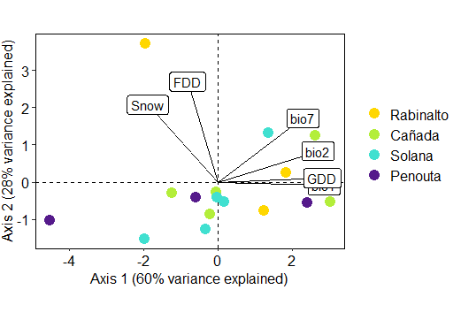
> pca1$eig
eigenvalue percentage of variance cumulative percentage of variance
comp 1 3.60549343 60.0915571 60.09156
comp 2 1.69122987 28.1871645 88.27872
comp 3 0.42987449 7.1645748 95.44330
comp 4 0.20405907 3.4009846 98.84428
comp 5 0.05430058 0.9050097 99.74929
comp 6 0.01504256 0.2507093 100.00000
> pca1$var
$coord
Dim.1 Dim.2 Dim.3 Dim.4 Dim.5
bio1 0.9476125 -0.03045532 0.2936635 0.082115891 0.02196212
bio2 0.8924679 0.27735936 -0.3158091 -0.008411387 0.16307588
bio7 0.7561931 0.57070379 -0.2720422 0.060468418 -0.15737184
Snw -0.6304563 0.69159365 0.1107705 0.331659895 0.04341472
FDD -0.2740943 0.89898491 0.1812822 -0.288733203 0.01756295
GDD 0.9309103 0.03457850 0.3532146 0.014957408 -0.01628843

$cor
Dim.1 Dim.2 Dim.3 Dim.4 Dim.5
bio1 0.9476125 -0.03045532 0.2936635 0.082115891 0.02196212 | Cañada central missing data!!!
bio2 0.8924679 0.27735936 -0.3158091 -0.008411387 0.16307588
bio7 0.7561931 0.57070379 -0.2720422 0.060468418 -0.15737184
Snw -0.6304563 0.69159365 0.1107705 0.331659895 0.04341472
FDD -0.2740943 0.89898491 0.1812822 -0.288733203 0.01756295
GDD 0.9309103 0.03457850 0.3532146 0.014957408 -0.01628843

$cos2
Dim.1 Dim.2 Dim.3 Dim.4 Dim.5
bio1 0.89796944 0.0009275267 0.08623823 6.743020e-03 0.0004823347
bio2 0.79649899 0.0769282154 0.09973542 7.075143e-05 0.0265937428
bio7 0.57182805 0.3257028132 0.07400694 3.656430e-03 0.0247658964
Snw 0.39747521 0.4783017718 0.01227010 1.099983e-01 0.0018848381
FDD 0.07512769 0.8081738723 0.03286322 8.336686e-02 0.0003084573
GDD 0.86659405 0.0011956726 0.12476058 2.237241e-04 0.0002653131

$contrib
Dim.1 Dim.2 Dim.3 Dim.4 Dim.5
bio1 24.905591 0.05484333 20.061258 3.30444483 0.8882679
bio2 22.091262 4.54865519 23.201056 0.03467203 48.9750599
bio7 15.859911 19.25834084 17.215941 1.79184857 45.6088965
Snw 11.024156 28.28129870 2.854346 53.90511889 3.4711196
FDD 2.083701 47.78616353 7.644841 40.85427877 0.5680553
GDD 24.035380 0.07069841 29.022559 0.10963690 0.4886008

